Ol6a
Distance [microns] | Fo | T (°C) | log fO2 (bar) | a | b | c | Etna
0.0 | 30.90 | 1083±15°C | -9.02292 | 71.1 | 49.2 | 46.8 | April 11, 2007
8.3 | 77.39 |  | NNO |  |  |  | South East Crater
16.5 | 79.24
24.8 | 80.11
6a
6a
33.1 | 80.76
41.3 | 80.92
49.6 | 80.90
57.9 | 81.21
66.1 | 80.95
74.4 | 81.10
82.7 | 81.18
90.9 | 81.19
99.2 | 81.43
107.4 | 81.48
115.7 | 81.33
124.0 | 81.54
132.2 | 81.22
140.5 | 81.13
148.8 | 81.30
157.0 | 80.97
165.3 | 80.72
173.6 | 80.64
181.8 | 80.17
190.1 | 79.98
198.4 | 79.79
206.6 | 79.44
214.9 | 79.22
223.2 | 79.18
231.4 | 78.73
239.7 | 78.37
248.0 | 78.71
256.2 | 78.71
264.5 | 78.37
272.8 | 78.21
281.0 | 78.10
289.3 | 78.28
297.6 | 78.51
305.8 | 78.47
314.1 | 78.42
322.3 | 81.49
330.6 | 78.55
338.9 | 78.50
347.1 | 78.45
355.4 | 78.49
363.7 | 78.53
371.9 | 78.30
380.2 | 78.38
388.5 | 78.45
396.7 | 78.28
405.0 | 78.23

Ol6b
Distance [microns] | Fo | T (°C) | log fO2 (bar) | a | b | c
0.0 | 15.89 | 1083±15°C | -9.02292 | 59.7 | 42.2 | 63.7 | Etna
9.2 | 41.51 |  | NNO |  |  |  | April 11, 2007
6b
6b
18.5 | 74.72 |  |  |  |  |  | South East Crater
27.7 | 79.34
37.0 | 80.46
46.2 | 81.01
55.4 | 80.88
64.7 | 81.18
73.9 | 81.32
83.1 | 80.97
92.4 | 81.48
101.6 | 81.26
110.9 | 81.31
120.1 | 81.16
129.3 | 81.05
138.6 | 81.23
147.8 | 80.97
157.0 | 80.76
166.3 | 80.54
175.5 | 80.23
184.8 | 79.63
194.0 | 79.36
203.2 | 79.00
212.5 | 78.58
221.7 | 78.58
231.0 | 78.53
240.2 | 78.57
249.4 | 78.36
258.7 | 78.54
267.9 | 78.38
277.1 | 78.62
286.4 | 78.61
295.6 | 78.17
304.9 | 78.34
314.1 | 78.28
323.3 | 78.75
332.6 | 78.27
341.8 | 78.45
351.0 | 78.27
360.3 | 78.53
369.5 | 78.16
378.8 | 78.40
388.0 | 78.26

San Pedro
Olivine in quenched mafic inclusion (QMI) in dacite

 |  |  |  |  |  |  | Note: Profile only on the side where QMI in contact with host lava. Olivine rim in contact with interior of inclusion unzoned.
 |  |  |  |  |  |  |  | Proves that diffusive interaction with melt produced the zoning.

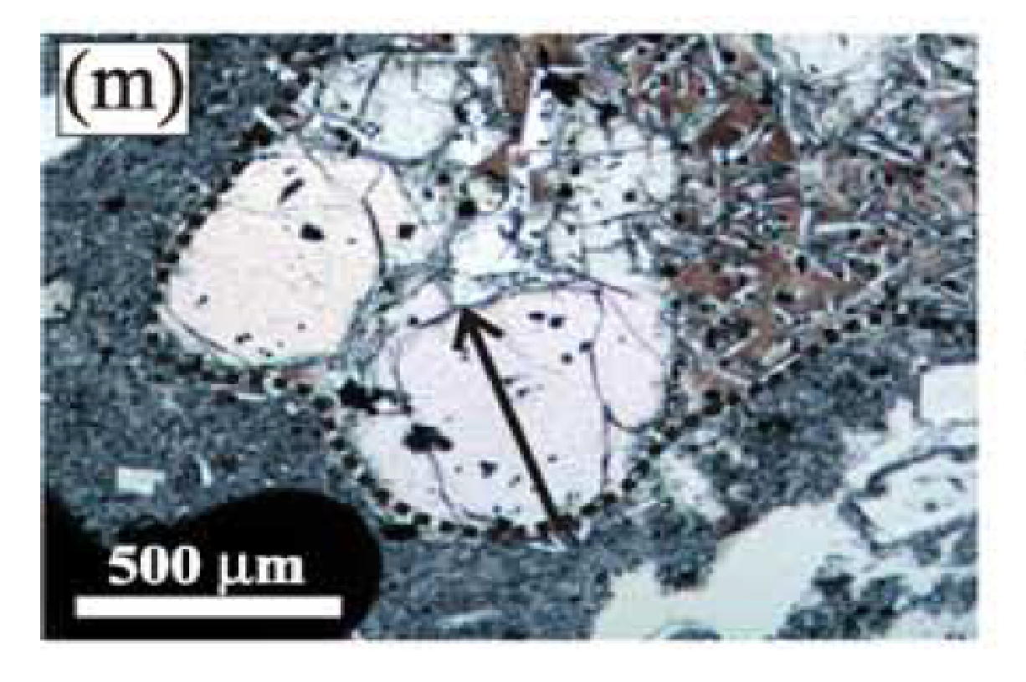
P(bars) | 2000 | T°C | 925

x (microns) | Fo content |  | a | b | g | log fO2 (bar)
 |  |  | 30.8 | 65.2 | 73 | -10.37033
38.96 | 74.296562214
42.856 | 74.911577032
46.752 | 75.477181867 |  |  |  |  | 73
50.648 | 75.806975053
54.544 | 76.361945912
58.44 | 76.651190184
62.336 | 77.2080974
66.232 | 77.47293286
70.128 | 77.733584029
74.024 | 77.845263527
77.92 | 77.995552028
81.816 | 77.985562035
85.712 | 78.176232275
89.608 | 78.11133439
93.504 | 78.319816647
97.4 | 78.210770179
101.296 | 78.02920846
105.192 | 78.142705099
109.088 | 78.163843285
112.984 | 78.13578975
116.88 | 78.233079464
120.776 | 78.267692084
124.672 | 78.221362374
128.568 | 78.28398389
132.464 | 78.285379234
136.36 | 78.211453932
140.256 | 78.214735711
144.152 | 78.297142053
148.048 | 78.124475052
151.944 | 78.294862472
155.84 | 78.145588382
159.736 | 78.341401927
163.632 | 78.165563622
167.528 | 78.209426842
171.424 | 78.290087478
175.32 | 78.260662928
179.216 | 78.147722519
183.112 | 77.974287344
187.008 | 77.972853047
190.904 | 78.185775104
194.8 | 78.008903783
198.696 | 78.096714408
202.592 | 78.017565597
206.488 | 78.322538084
210.384 | 78.31347585
214.28 | 78.252005024
218.176 | 78.069582455
222.072 | 78.272355883
225.968 | 77.981426012
229.864 | 78.22598523
233.76 | 78.102651267
237.656 | 78.059536363
241.552 | 77.967967261
245.448 | 78.025123378
249.344 | 78.262599041
253.24 | 78.190820353
257.136 | 77.96355119
261.032 | 78.263178263
264.928 | 77.953284007
268.824 | 78.381458585
272.72 | 78.211376623
276.616 | 78.255293818
280.512 | 78.44227202
284.408 | 78.300329906
288.304 | 78.473788774
292.2 | 78.57290007
296.096 | 78.205626686
299.992 | 78.287081695
303.888 | 78.217015047
307.784 | 78.195012701
311.68 | 78.175302414
315.576 | 78.388760864
319.472 | 78.338063365
323.368 | 78.332529433
327.264 | 78.173139455
331.16 | 78.312976515
335.056 | 78.208844231
338.952 | 78.089610876
342.848 | 78.193393678
346.744 | 78.173714947
350.64 | 78.036375315
354.536 | 78.179192517
358.432 | 78.187019171
362.328 | 77.993415804
366.224 | 78.152107537
370.12 | 77.997076178
374.016 | 77.972171044
377.912 | 77.906279742
381.808 | 77.920620246
385.704 | 77.899720456
389.6 | 77.930436176
393.496 | 77.995694807
397.392 | 78.203603256
401.288 | 78.023701149
405.184 | 78.28312666
409.08 | 78.412222306
412.976 | 78.368184624
416.872 | 78.354794708
420.768 | 78.284398292
424.664 | 78.354180369
428.56 | 78.429504114
432.456 | 78.367259351
436.352 | 78.573779833
440.248 | 78.168556837
444.144 | 78.306863006
448.04 | 78.010927144
451.936 | 77.978688751
455.832 | 77.876356204
459.728 | 77.81538917
463.624 | 77.943779176
467.52 | 77.886594588
471.416 | 78.113599995
475.312 | 77.830199369
479.208 | 77.948046257
483.104 | 77.787438506

